Category Statistics
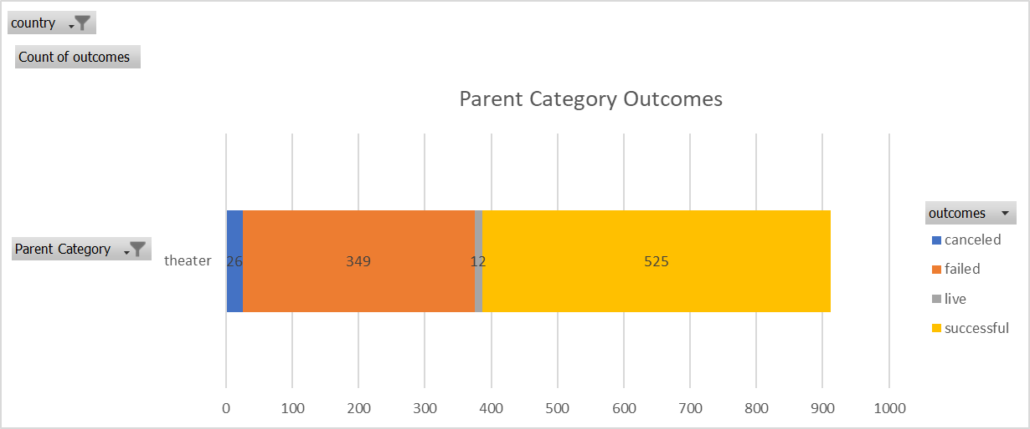
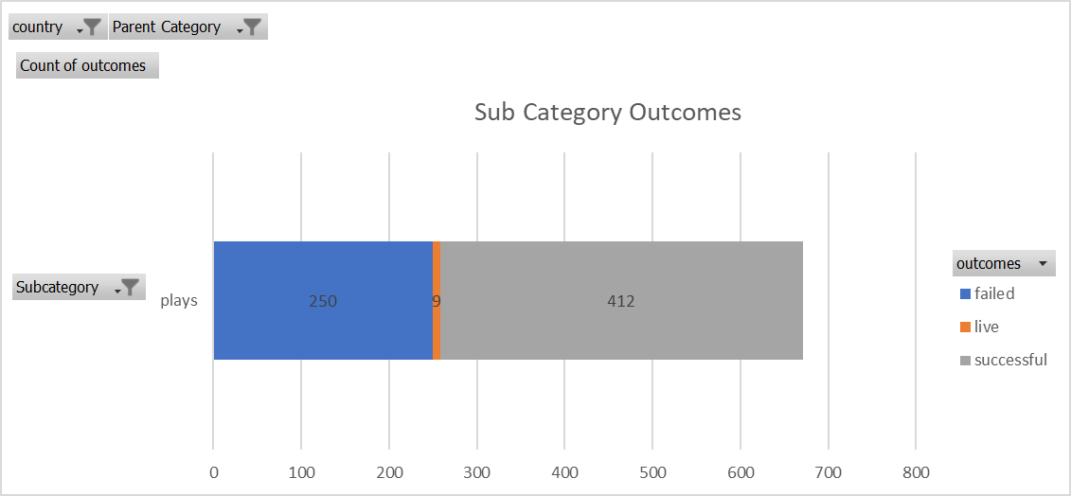
country | US |  |  |  |  | country | US
 |  |  |  |  |  | Parent Category | theater
Count of outcomes | Column Labels
Row Labels | canceled | failed | live | successful | Grand Total | Count of outcomes | Column Labels
theater | 26 | 349 | 12 | 525 | 912 | Row Labels | failed | live | successful | Grand Total
Grand Total | 26 | 349 | 12 | 525 | 912 | plays | 250 | 9 | 412 | 671
 |  |  |  |  |  | Grand Total | 250 | 9 | 412 | 671

Outcomes Based on Launch Date
Parent Category | theater
Years | (All)

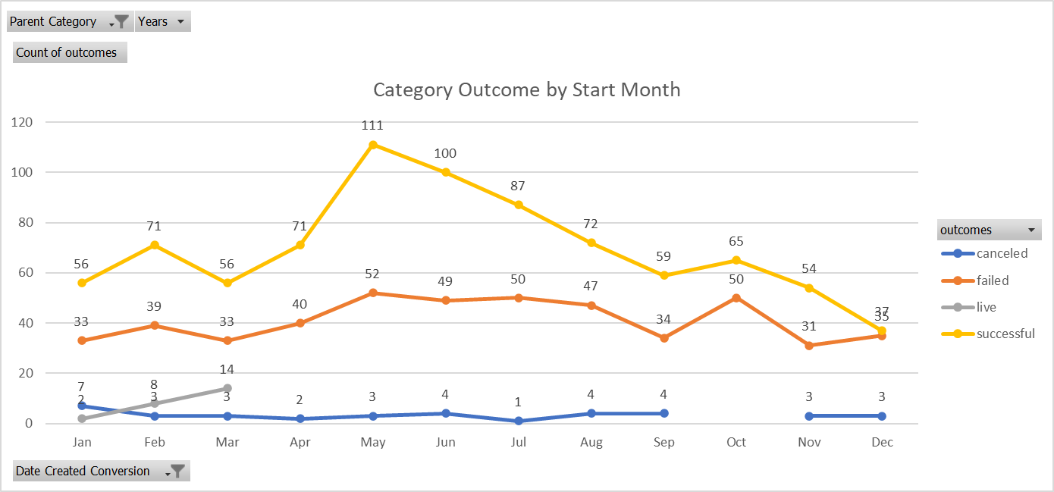
Count of outcomes | Column Labels
Row Labels | canceled | failed | live | successful | Grand Total
Jan | 7 | 33 | 2 | 56 | 98
Feb | 3 | 39 | 8 | 71 | 121
Mar | 3 | 33 | 14 | 56 | 106
Apr | 2 | 40 |  | 71 | 113
May | 3 | 52 |  | 111 | 166
Jun | 4 | 49 |  | 100 | 153
Jul | 1 | 50 |  | 87 | 138
Aug | 4 | 47 |  | 72 | 123
Sep | 4 | 34 |  | 59 | 97
Oct |  | 50 |  | 65 | 115
Nov | 3 | 31 |  | 54 | 88
Dec | 3 | 35 |  | 37 | 75
Grand Total | 37 | 493 | 24 | 839 | 1393

